6-8.Ingre&Nutrition&Allergens
6.Product Composition
Ingredients |  | Components |  | % Composition | Supplier Names | Country of Origin | Genetically modified?
(Including E numbers and *functions for additives) |  | (if ingredient is composed of several sub-ingredients) |  | (Please list the ingredients in descending order) | (Please list all suppliers per ingredient)
Chilli Powder |  |  |  | 48.00% | QINGDAO BOLAN GROUP CO.,LTD | China | N/A
Orange Peel |  |  |  | 30.00% | 兴化市顶萃食品有限公司 | China | N/A
Aonori Seaweed |  |  |  | 8.00% | 兴化市顶萃食品有限公司 | China | N/A
Black Sesame |  |  |  | 6.00% | QINGDAO BOLAN GROUP CO.,LTD | China | N/A
White Sesame |  |  |  | 5.00% | QINGDAO BOLAN GROUP CO.,LTD | China | N/A
Ginger |  |  |  | 2.00% | 哈尔滨康源食品原料有限公司 | China | N/A
Bay Leaf |  |  |  | 1.00% | 兴化市顶萃食品有限公司 | China | N/A
 |  |  | Total | 100.00%
*Please choose the functional of food additives from below: sweeteners / colours / preservatives / antioxidants / carriers / acids / acidity regulators / anti-caking agents / anti-foaming agents / bulking agents / bulking agents / emulsifiers / emulsifying salts / firming agents / flavor enhancers / foaming agents / gelling agents / glazing agents / humectants / modified starches / packaging gases / propellants / raising agents / sequestrants / stabilisers / thickeners / flour treatment agents / contrast enhancers

7.Nutritional Information |  | * Not Mandatory
Typical Values (g) |  | Per 100g/100ml
Energy (Kcal/KJ) |  | Kcal:328 KJ:1371 |  |  |  |  |  |  | 0
Fat |  | 16.9
of which saturate fat |  | 1.74
of which monounsaturated fat*
of which, polyunsaturated fat*
Carbohydrate |  | 13.8
of which sugar |  | 12.2
of which Polyols*
of which starch*
Fibre* |  | 37.8
Protein |  | 12.3
Salt |  | 4.85 |  | Sodium in mg x 2.5 /1000 = salt in g
NOTE: Must attach lab analyses report
8.The fourteen Allergens – Regulation (EU) No 1169/2011
 | Potential Component |  |  | Product contains? | In which ingredient? | Handled on manufacturing site? | In which material? | Measures to prevent Cross-contamination | Precautionary allergen labelling (May Contain statement) needed?
 | *Please tick in the box |  |  | Yes/No |  | Yes/No |  |  | Yes/No
01 | Cereals containing gluten including wheat, Rye, Barley, Oats, Spelt & Khorasan and products thereof: |  |  | no | - | Yes | wheat powder | Yes | No | 黃色地方, 請確認一下工厂还有生產哪些过敏原成分在同一厂里.
02 | Crustaceans and products thereof: |  |  | no | - | Yes | shrimp | Yes | No
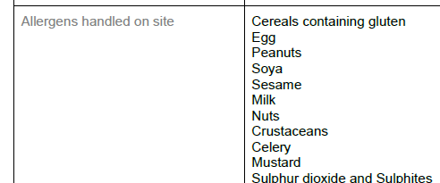
03 | Fish and products thereof: |  |  | no | - | - | - | Yes | No
04 | Molluscs and products thereof: |  |  | no | - | - | - | Yes | No
05 | Peanuts and products thereof: |  |  | no | - | Yes | peanuts | Yes | No
06 | Soybeans and products thereof: |  |  | no | - | - | - | Yes | No
07 | Milk and products thereof: |  |  | no | - | Yes | milk powder | Yes | No
08 | Nuts and products thereof: |  |  | no | - | Yes | peanuts | Yes | No
09 | Celery and products thereof: |  |  | no | - | Yes | Celery | Yes | No
10 | Mustard and products thereof: |  |  | no | - | Yes | Mustard | Yes | No
11 | Sesame seeds and products thereof: |  |  | Yes | Sesame | Yes | sesame | Yes | No
12 | Sulphur Dioxide or Sulphites: |  |  | no | - | Yes | Sulphites | Yes | No
13 | Lupin and products thereof: |  |  | no | - | - | - | Yes | No
14 | Egg and products thereof: |  |  | no | - | Yes | egg | Yes | No

9-13.Quality Attributes
9.Chemical Standard & Harmful Contamination
Test Item Depends on the products, different pesticides, heavy metals, chemicals should be monitord. Fill in the items to be monitored according to the likely risk of contamination ; Example : Cadmium in seaweed, Acidity in sushi ginger |  | EU MRL standard/Recommendation | Country of Origin MRL Standard | Test Frequency
dye test |  | TBI to complete |  | every raw material
10.Acrylamide
Are Products at risk of acrylamide? |  |  |  |  | No
If Yes. What mitigation measures are in place to manage acrylamide levels with the food? |  |  |  |  | N/A
11.Radioactivity | *occurs naturally in all food and can be transferred into food in different ways eg crops from soil, drinking water from the earth, Fish and Shellfish from the water or Sea floor.
Has the product/ ingredient been irradiated? |  |  |  |  | No
Is the product/ ingredient subject to potential radioactive cross contamination? |  |  |  |  | No
If yes, what controls in place |  |  |  |  | N/A
Has the product/ ingredient been imported into the UK from a country that has high levels of radioactivity? |  |  |  |  | No
If Yes, how is this controlled and what checks are carried out? |  |  |  |  | N/A
12.Microbiology Standards | *Please insert GB standard
Micro-organisms | Type | EU Standard | Country of Origin Government Standard | Manufacturer Own Standard | Test Frequency
TVC | Quality Indicator |  | <104 | <104 | Every shipment | *please clarify by filling in how many samples per day/PO rather than by each lot
Escherichia coli | Hygiene indicator |  | <20 | <20 | Every shipment
Enterobacteriaceae | Hygiene indicator
Listeria spp | Hygiene indicator
Listeria monocytogenes | Pathogens
Campylobacter spp. | Pathogens
Escherichia coli O157 | Pathogens |  | Not Detected | Not Detected | Every shipment
Salmonella spp. | Pathogens |  | Not Detected | Not Detected | Every shipment
Shigella spp. | Pathogens
Vibrio cholera (O1 and O139) | Pathogens
Vibrio parahaemolyticus | Pathogens
Bacillus cereus | Pathogens
Bacillus spp. | Pathogens
Clostridium perfringens | Pathogens
Staphylococcus aureus and other coagulase-positive staphylococci | Pathogens
13.Acceptance and Rejection standard
Standard Product Photo & Description |  | Rejected Product Photo& Description
IE. Grading, Sizing, Appearance, Flavor/taste, Texture, Colour, smell |  | IE. Grading, Sizing, Appearance, Flavor/taste, Texture, Colour, smell
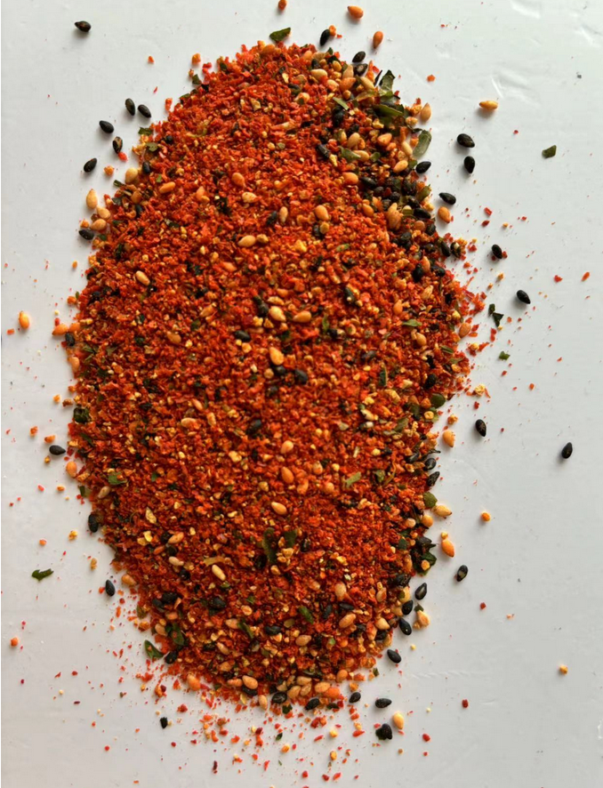 Appearance: orange-red with black and green particles Flavor/taste: spicy, nutty and seaweed umami Texture: rough and grainy Smell: The aroma of chili, sesame seed and seaweed |  | 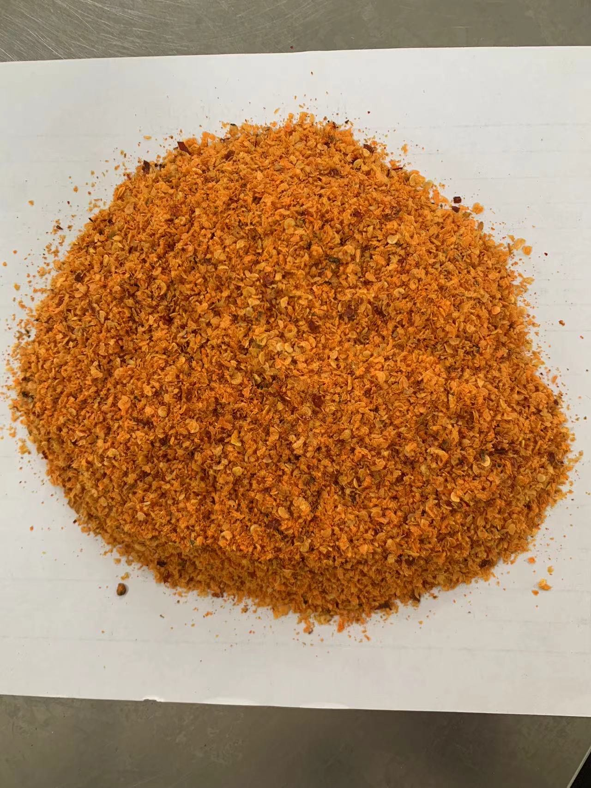 Appearance: not orange-red and large clumps of powder Flavor/taste: without spicy, nutty and seaweed umami Texture: not rough and grainy Smell: without aroma of chili, sesame seed and seaweed

17-20.HACCP,Artwork&SpecAuthor.
17.Process Flow Chart- (showing all CCPs)
Please provide in the form a Critical Control Point (CCP), a description of the process/packing operations including processing times tempuratures where applicable and in process Safery Control Checks (CCP Summary) and Quality Checks. |  |  |  |  | Bolan doesn't have full haccp for shichimi
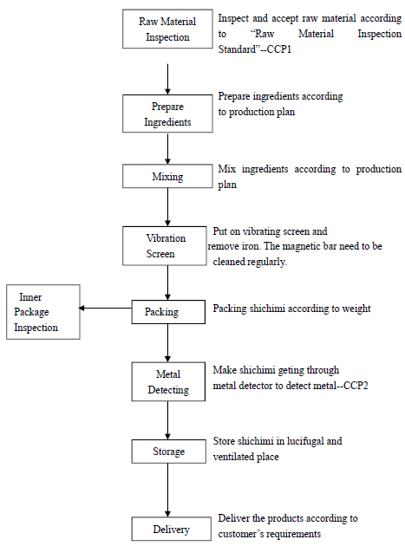 *please insert HACCP plan of product
18.Critical Control Points
CCP | Control Measure |  | Critical Limit | Monitoring Frequency
CCP1-Raw Material Inspection | Acceptance material |  | Granular, not caked, no moldy, no impurities, The package is in good condition, without breakage, clean and stain free. | Evary Raw Material
CCP2-Metal Detection | Metal detector |  | FeØ≤2.0mm; SusØ≤2.0mm | every two hours
19.Artwork
Inner Label / Package Design artwork |  | Outer Label / Package Design artwork
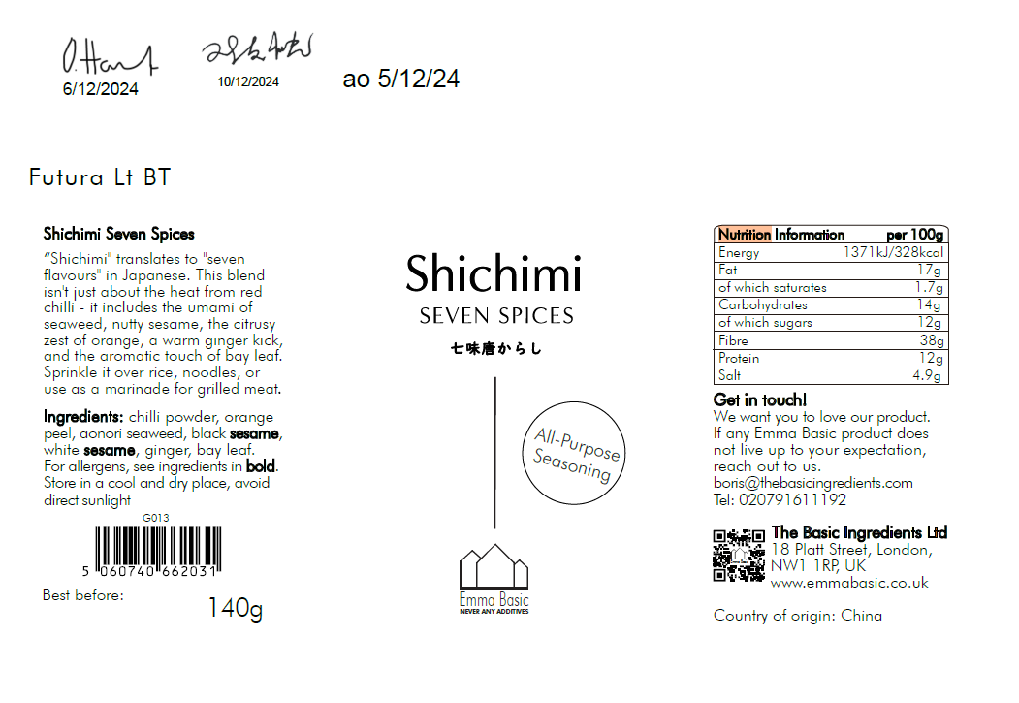
 |  | TBC

20.Packaging Photos
Finished Product with Primary package | Outer Case (Secondary) |  | Tertiary
 | TBC |  | TBC
Specification Authorization
1.Product to be supplied in accordance with this agreed specification. No changes are to be made without prior knowledge and prior written agreement of The Basic Ingredients Ltd. 2.The contents of this specification are confidential and should not be disclosed to a third party without a written approval of The Basic Ingredients Ltd. 3. Product must be fit for purpose of the nature and substance stated in this specification and free from foreign body. 4. The raw materials used in this product fulfil the requirements described in the Regulation 1881/2006/EC related to contaminants in foodstuffs, the Regulation 396/2005/EC related to pesticides in foodstuffs, and their amendments. 5. The product has not been treated with ionising radiation and does not contain any irradiated ingredients- Regulated under Directive 1999/2/EC and Directive 1999/3/EC. 6. This product does not contain ingredients that contain GMO or consist of GMO or were produced from GMO - Regulated under Regulation (EC) No 1829/2003, Regulation (EC) No 1830/2003, and their amendments. 7. Products to be delivered using suitable transport in the stated conditions (i.e. ambient, chilled, frozen). 8. The information on this specification can be used without reservation to advise customers with food allergies, intolerances or aversions, especially those who may die from an anaphylactic reaction to traces of ingredients. 9. All materials intended to come into contact with foods complies with European regulations: Regulation (EC) No. 1935/2004, Regulation (EC) No. 2023/2006, Regulation (EU) No. 10/2011, Directives 82/711/EEC, 85/572/EEC, 2002/72/EEC (and the relevant amendments).
Manufacturer Name | Qingdao Bolan Group Co., Ltd
Signature
Print Name | 张一超
Position in Company | Sales
Date | 2024-05-23

For and on behalf of The Basic Ingredients Ltd:
Signature | 杜 一静
Print Name | Emma Du
Position in Company | Director
Date | 2025-11-11

